Map data extraction
Data to take care of:

Coordinates | X | Y | Z

Steps:

1) Extract data from CAD

2) Data will be extracted in to excel sheet

3) Those coordinates would then be used to store data in SQL

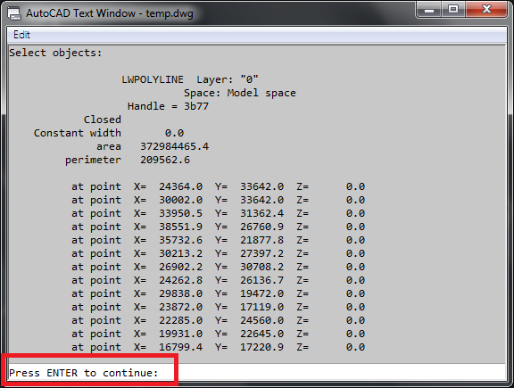
 | Sample data

Insert this data in excel and then to sql

Q1)
Can we incorporate this technology?
https://www.youtube.com/watch?v=GP_BSPjVV7o

Q1)
If yes, its paid so how can we do free

adding comments
- If clients provide us blue pring than we can make a cad model and extract data from the same.

